Dashboard
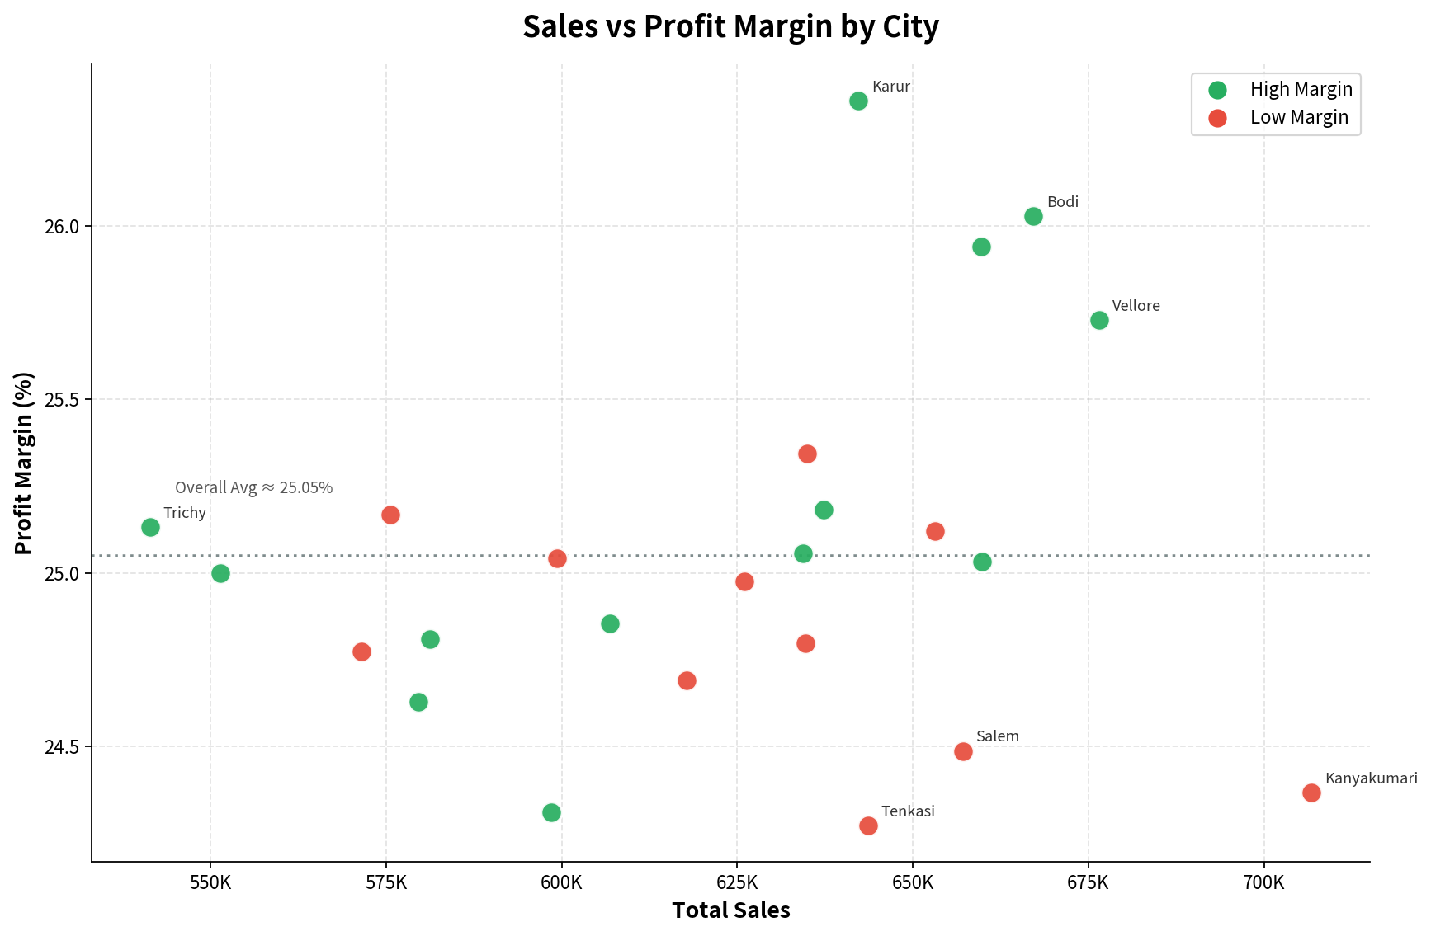
Supermart Grocery Sales Dashboard

Total Sales
INR 14,956,982.00
Total Profit
INR 3,747,121.20
Total Orders
9994
Profit Margin (%)
45

Categories Wise Scales None
 | Sum of Sales
Eggs, Meat & Fish | 2267401
Snacks | 2237546
Food Grains | 2115272
Bakery | 2112281
Fruits & Veggies | 2100727
Beverages | 2085313
Oil & Masala | 2038442
Region Wise Scales None
 | Sum of Sales
West | 4798743
East | 4248368
Central | 3468156
South | 2440461
North | 1254

Year by Total Sales
 | Total Sales
2018 | 4977512
2017 | 3871912
2016 | 3131959
2015 | 2975599
Categories & Sub-Categories Wise Highest Scales None
 | Sum of Sales
Bakery | 2112281
Biscuits | 684083
Breads & Buns | 742586
Cakes | 685612
Beverages | 2085313
Health Drinks | 1051439
Soft Drinks | 1033874
Eggs, Meat & Fish | 2267401
Chicken | 520497
Eggs | 575156
Fish | 560548
Mutton | 611200
Food Grains | 2115272
Atta & Flour | 534649
Dals & Pulses | 523371
Organic Staples | 558929
Rice | 498323
Fruits & Veggies | 2100727
Fresh Fruits | 551212
Fresh Vegetables | 525842
Organic Fruits | 503402
Organic Vegetables | 520271
Oil & Masala | 2038442
Edible Oil & Ghee | 668086
Masalas | 697480
Spices | 672876
Snacks | 2237546
Chocolates | 733898
Cookies | 768213
Noodles | 735435

Profit By Region
Category By Profit

Relationship between Profit and Discount

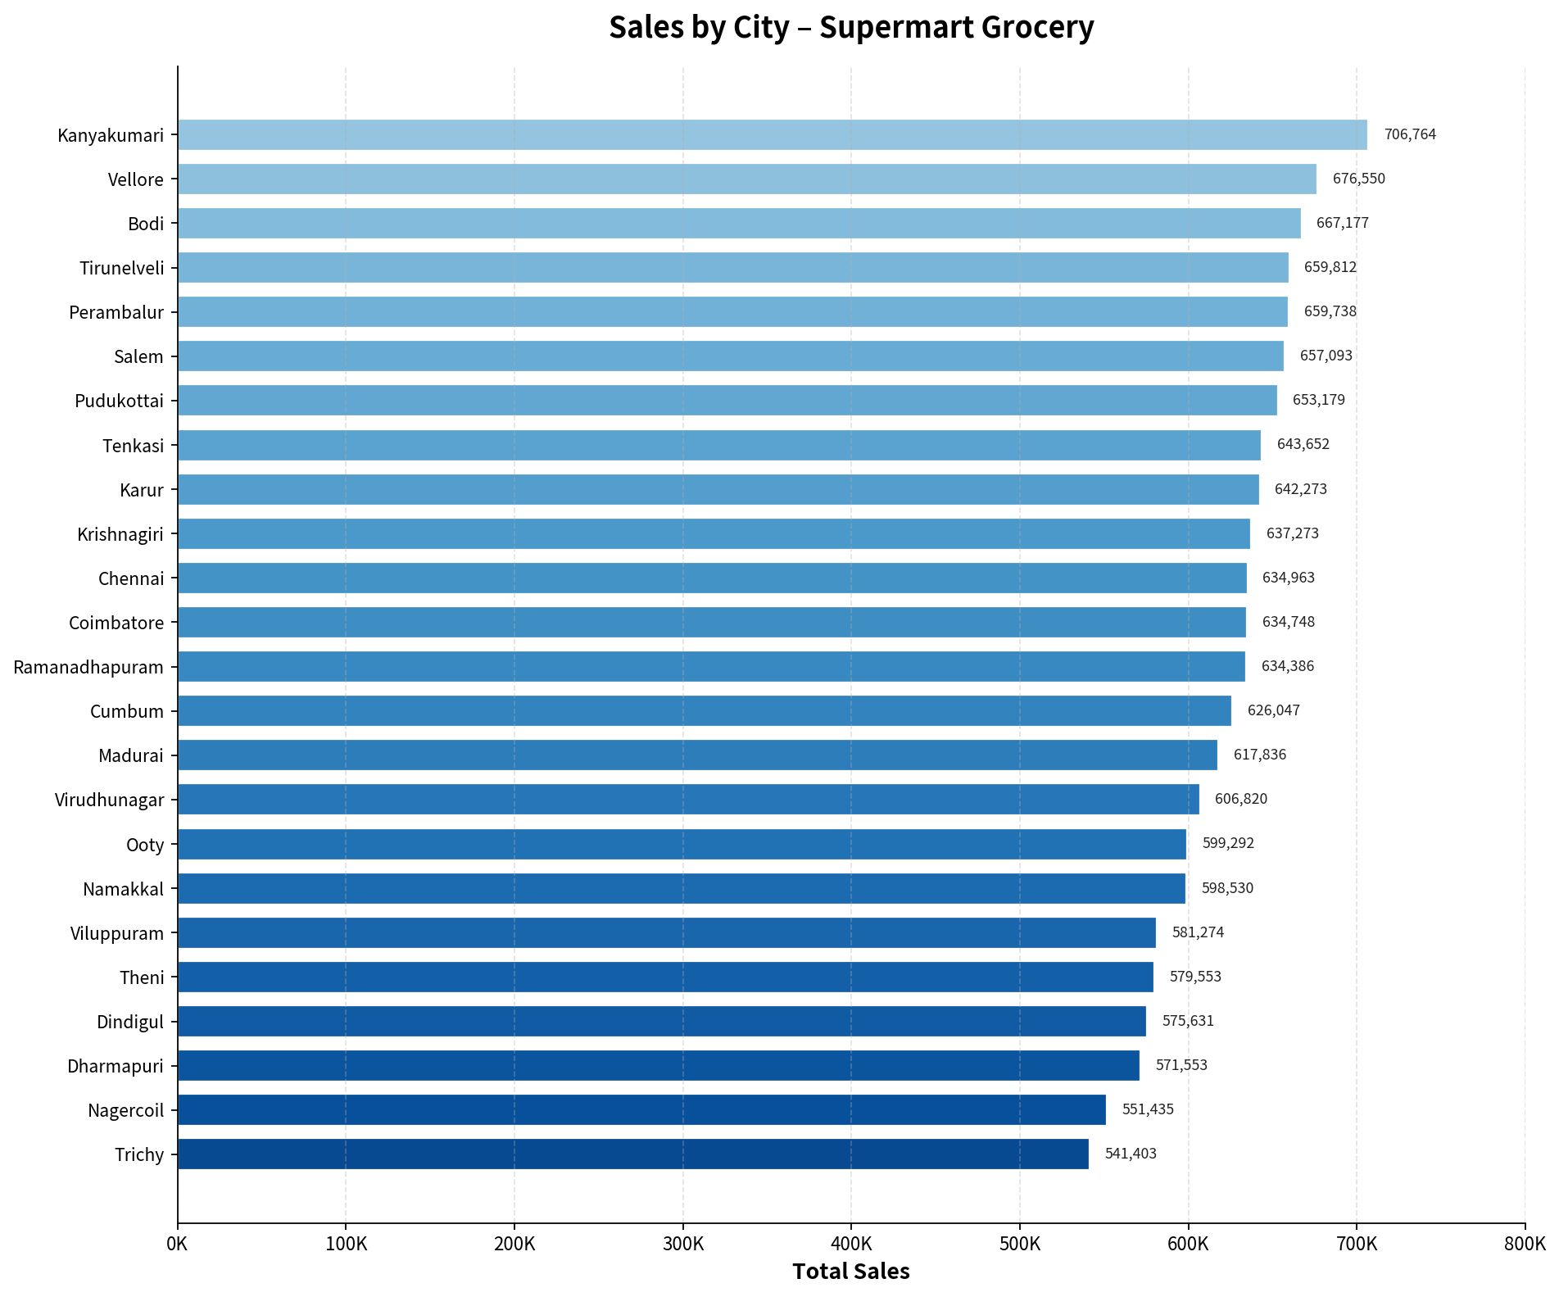

Top 5 Cities By Sales

